Sheet1
 |  |  |  |  | SIM-KS10.UDP TÜKETİM RAPORU (Kwh)

Data Warnings

 |  | Message |  |  |  |  |  |  | Date Added
 |  | Data was not available for some of the selected source and measurement combinations. |  |  |  |  |  |  | 11/1/2023 12:10:51 AM
 |  | One or more gaps were detected in data used for this report. |  |  |  |  |  |  | 11/1/2023 12:10:46 AM

 |  | Usage Summary

 |  | Source | Real Energy (kWh)
 |  |  | January 2023 |  |  | February 2023 |  | March 2022 |  | March 2023 | April 2022 | April 2023 | May 2022 | May 2023 | June 2022 | June 2023 | July 2022 | July 2023 | August 2022 | August 2023 | September 2022 | September 2023 | October 2022 | October 2023 | November 2022 | December 2022
 |  | SIM-KS10 UDP | 74,003.84 |  |  | 66,889.05 |  | 70,080.62 |  | 73,937.18 | 71,455.13 | 69,998.00 | 73,987.24 | 72,193.00 | 71,662.68 | 64,083.00 | 73,455.91 | 64,404.25 | 74,095.16 | 65,579.75 | 71,695.89 | 65,328.25 | 74,103.47 | 60,379.50 | 71,679.29 | 74,095.16
 |  | Total | 74,003.84 |  |  | 66,889.05 |  | 70,080.62 |  | 73,937.18 | 71,455.13 | 69,998.00 | 73,987.24 | 72,193.00 | 71,662.68 | 64,083.00 | 73,455.91 | 64,404.25 | 74,095.16 | 65,579.75 | 71,695.89 | 65,328.25 | 74,103.47 | 60,379.50 | 71,679.29 | 74,095.16

 |  | Relative Usage Column Chart

 |  | 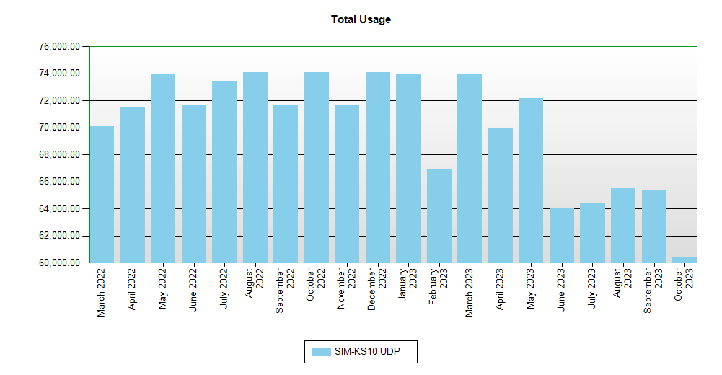

 | Interval Usage Data

 |  | Period : January 2023 Interval : Day of Month |  | SIM-KS10 UDP |  |  | Interval Total
 |  | 1 |  | 2,390.97 |  |  | 2,390.97
 |  | 2 |  | 2,390.97 |  |  | 2,390.97
 |  | 3 |  | 2,390.97 |  |  | 2,390.97
 |  | 4 |  | 2,390.97 |  |  | 2,390.97
 |  | 5 |  | 2,390.97 |  |  | 2,390.97
 |  | 6 |  | 2,390.97 |  |  | 2,390.97
 |  | 7 |  | 2,390.97 |  |  | 2,390.97
 |  | 8 |  | 2,390.97 |  |  | 2,390.97
 |  | 9 |  | 2,390.97 |  |  | 2,390.97
 |  | 10 |  | 2,390.97 |  |  | 2,390.97
 |  | 11 |  | 2,390.97 |  |  | 2,390.97
 |  | 12 |  | 2,390.97 |  |  | 2,390.97
 |  | 13 |  | 2,374.37 |  |  | 2,374.37
 |  | 14 |  | 2,382.67 |  |  | 2,382.67
 |  | 15 |  | 2,366.06 |  |  | 2,366.06
 |  | 16 |  | 2,390.97 |  |  | 2,390.97
 |  | 17 |  | 2,390.97 |  |  | 2,390.97
 |  | 18 |  | 2,390.97 |  |  | 2,390.97
 |  | 19 |  | 2,382.67 |  |  | 2,382.67
 |  | 20 |  | 2,382.67 |  |  | 2,382.67
 |  | 21 |  | 2,390.97 |  |  | 2,390.97
 |  | 22 |  | 2,390.97 |  |  | 2,390.97
 |  | 23 |  | 2,390.97 |  |  | 2,390.97
 |  | 24 |  | 2,390.97 |  |  | 2,390.97
 |  | 25 |  | 2,390.97 |  |  | 2,390.97
 |  | 26 |  | 2,374.37 |  |  | 2,374.37
 |  | 27 |  | 2,390.97 |  |  | 2,390.97
 |  | 28 |  | 2,382.67 |  |  | 2,382.67
 |  | 29 |  | 2,366.06 |  |  | 2,366.06
 |  | 30 |  | 2,390.97 |  |  | 2,390.97
 |  | 31 |  | 2,390.97 |  |  | 2,390.97
 |  | Period Totals |  | 74,003.84

